Indices

 | Iraq Stock Exchange
 | Bulletin No (221)

 | ISX Trading Indices of Tuesday 9/12/2025

 | Traded Volume and OTC |  | 732,294,836 |  | Traded Value and OTC |  | 1,209,728,332 |  | Traders | 900

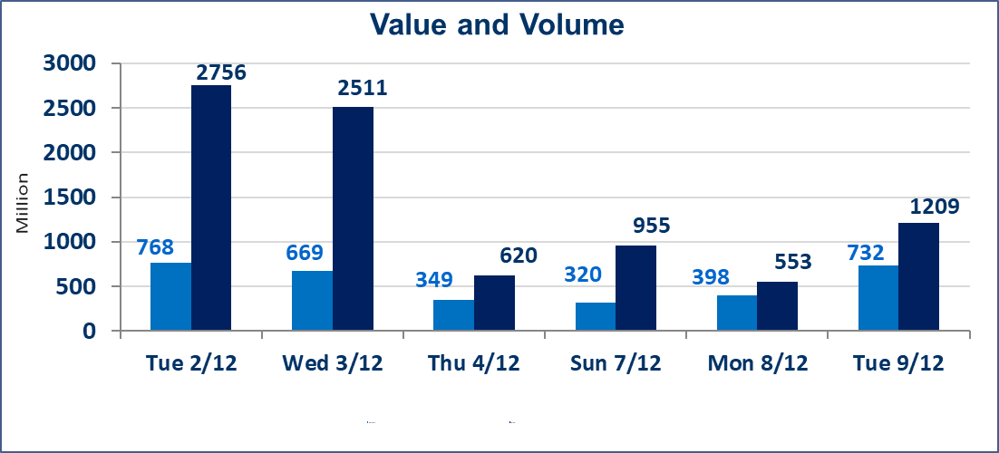
 | ISX Index 60 |  |  | 948.49 | ISX Index 15 |  |  | 1183.21
 | Previous ISX Index60 |  |  | 941.45 | Previous ISX Index15 |  |  | 1178.30
 | Change % |  |  | 0.75 | Change % |  |  | 0.42
 | Change |  |  | 7.04 | Change |  |  | 4.91

 | Listed Companies | 104 | OTC | 14 | Non Traded listed | 46 | OTC | 9
 | Traded Listed Companies | 43 | OTC | 3 | Higher Companies |  |  | 14
 | GAM Companies |  |  | 5 | Lower Companies |  |  | 9
 | Suspended Companies |  |  | 10
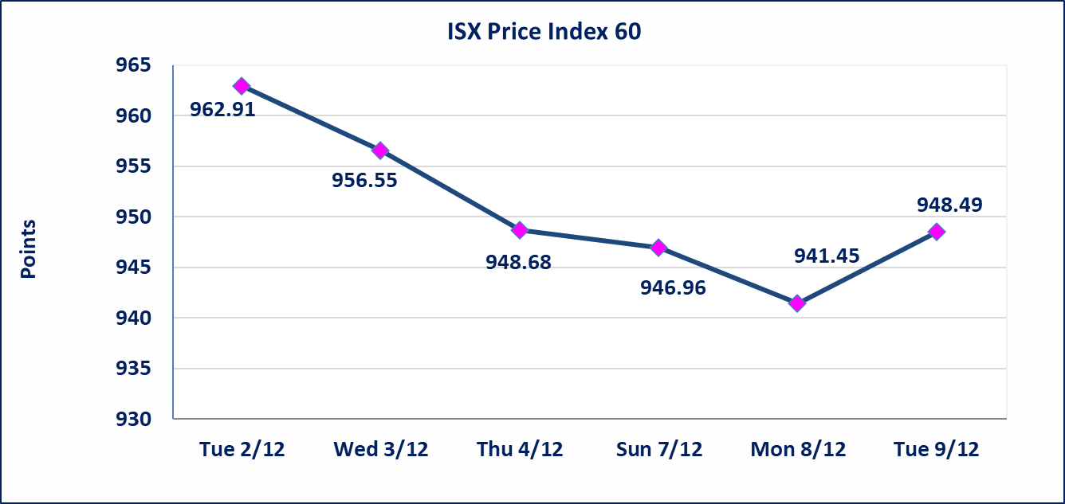
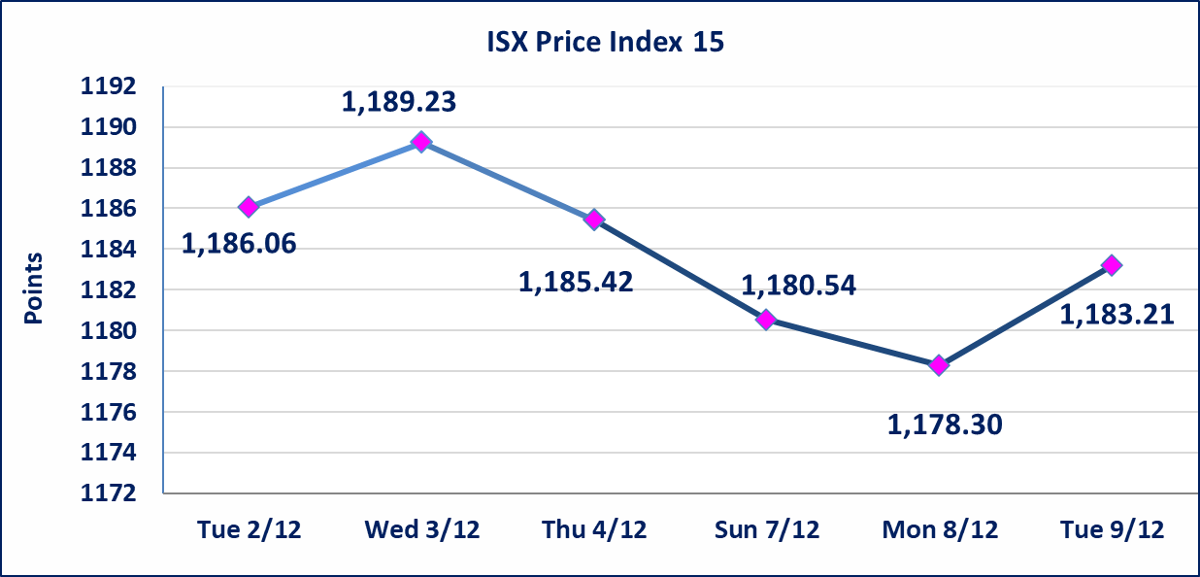

Al-Alwiya P.O . 3607 Mobile: 07711211522 - 07270094594 - 07834000034 E-mail: info-isx@isx-iq.net Web site:www.isx-iq.net

Top 5
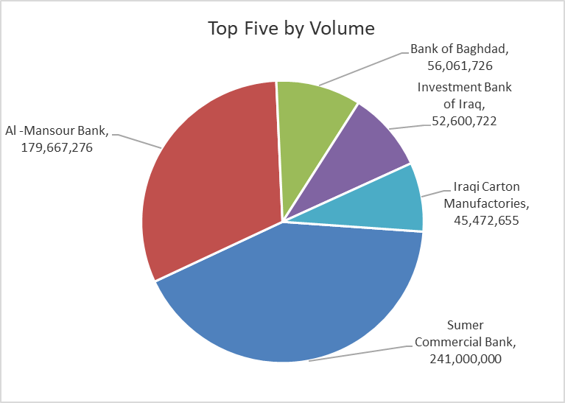
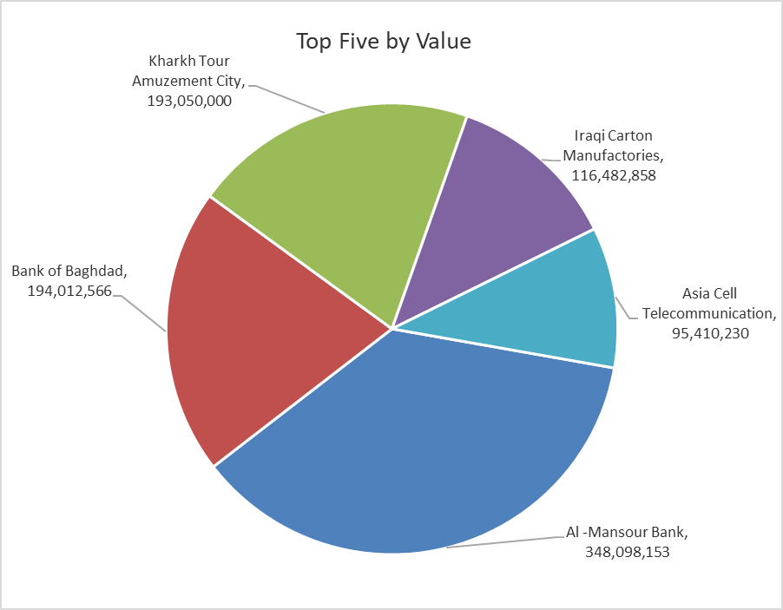
ISX top ganing and losing companies
Tuesday 9/12/2025
Gainers |  |  |  | Losers
Company Name | Closing Price | Change (%) | Traded Volume | Company Name | Closing Price | Change (%) | Traded Volume
Iraqi Carton Manufactories | 2.730 | 14.71 | 45,472,655 | Al-Khatam Telecom | 3.310 | -6.76 | 704,090
Iraqi Date Processing and Marketing | 2.500 | 7.30 | 359,942 | National for Tourist Investment | 10.310 | -4.98 | 50,000
Ready Made Clothes | 2.690 | 5.49 | 121,172 | Credit Bank Of Iraq | 0.600 | -3.23 | 13,653,400
Babil Animal & Vegetable Production | 11.000 | 4.76 | 18,833 | Agricultural Products Meat | 4.500 | -2.17 | 397,977
Economy Bank | 0.230 | 4.55 | 5,500,000 | Fallujah for construction Materials | 3.180 | -2.15 | 612,275

The most active companies in term of traded volume and value

Traded Volume |  |  |  | Traded Value
Company Name | Closing Price | Change (%) | Traded Volume | Company Name | Closing Price | Change (%) | Traded Value
Sumer Commercial Bank | 0.110 | 0.00 | 241,000,000 | Al -Mansour Bank | 1.950 | 1.04 | 348,098,153
Al -Mansour Bank | 1.950 | 1.04 | 179,667,276 | Bank of Baghdad | 3.500 | 1.74 | 194,012,566
Bank of Baghdad | 3.500 | 1.74 | 56,061,726 | Kharkh Tour Amuzement City | 5.500 | 0.00 | 193,050,000
Investment Bank of Iraq | 0.220 | 0.00 | 52,600,722 | Iraqi Carton Manufactories | 2.730 | 14.71 | 116,482,858
Iraqi Carton Manufactories | 2.730 | 14.71 | 45,472,655 | Asia Cell Telecommunication | 13.140 | 0.38 | 95,410,230

OTC

Iraq Stock Exchange

Tuesday 9/12/2025
OTC Platform Trading Bulletin No (221)
Company Name | Code | highest price | lowest price | Average price | No.of Trades | Traded Volume | Traded Value
Banks Sector
Al-Warka Bank | BWAI | 0.080 | 0.080 | 0.080 | 6 | 3,033,236 | 242,659
Al-Sanam Islamic Bank | BSAN | 3.000 | 3.000 | 3.000 | 3 | 190,000 | 570,000
Total Of Banks Sector |  |  |  |  | 9 | 3,223,236 | 812,659
Money Service Sector
Rabee Securities | FRSE | 9.500 | 9.500 | 9.500 | 1 | 500,000 | 4,750,000
Total Of Money Service Sector |  |  |  |  | 1 | 500,000 | 4,750,000
Total |  |  |  |  | 10 | 3,723,236 | 5,562,659

Not Trading OTC Companies
Company Name |  |  | Code |  | Previous Average price
Banks Sector
Al-Sanam Islamic Bank |  |  | BSAN |  | 3.000
Hammurabi Commercial Bank |  |  | BHAM |  | ـــــــــــــــــــــــــــــــــــ
Industrial Sector
Kirkuk producing constructional materials |  |  | IKFP |  | 1.260
Money Service Sector
Karmal Brokerage |  |  | FKSX |  | 10.000
Ishtar Gate for e-Paymant |  |  | FISH |  | 1.000
Sama Baghdad Exchange |  |  | FSBE |  | ـــــــــــــــــــــــــــــــــــ
Iraqi Deposit Insurance Corporation |  |  | FIDI |  | ـــــــــــــــــــــــــــــــــــ
Insurance Sector
Al Badia Insurance |  |  | NBAD |  | ـــــــــــــــــــــــــــــــــــ
Shatt Al Arab Insurance |  |  | NSHA |  | 1.000
Dilina Insurance Company |  |  | NDIL |  | ـــــــــــــــــــــــــــــــــــ

Non Iraqis

Iraq Stock Exchange
Non Iraqis' Bulletin Tuesday Dec 9 2025
Regular Market

Non Iraqi Trading of Regular Market (Buy)
Company Names | Code | No.of trades | Traded Shares | Trading Volume
Banks Sector
Bank Of Baghdad | BBOB | 5 | 2,502,000 | 8,695,208
Al-Mansour Bank | BMNS | 12 | 20,293,989 | 39,420,339
Total Bank sector |  | 17 | 22,795,989 | 48,115,547
Grand Total |  | 17 | 22,795,989 | 48,115,547

Non Iraqi Trading of Regular Market (Sell)
Company Names | Code | No.of trades | Traded Shares | Trading Volume
Banks Sector
Al-Mansour Bank | BMNS | 27 | 91,121,382 | 176,945,981
Total Bank sector |  | 27 | 91,121,382 | 176,945,981
Grand Total |  | 27 | 91,121,382 | 176,945,981

